BTC
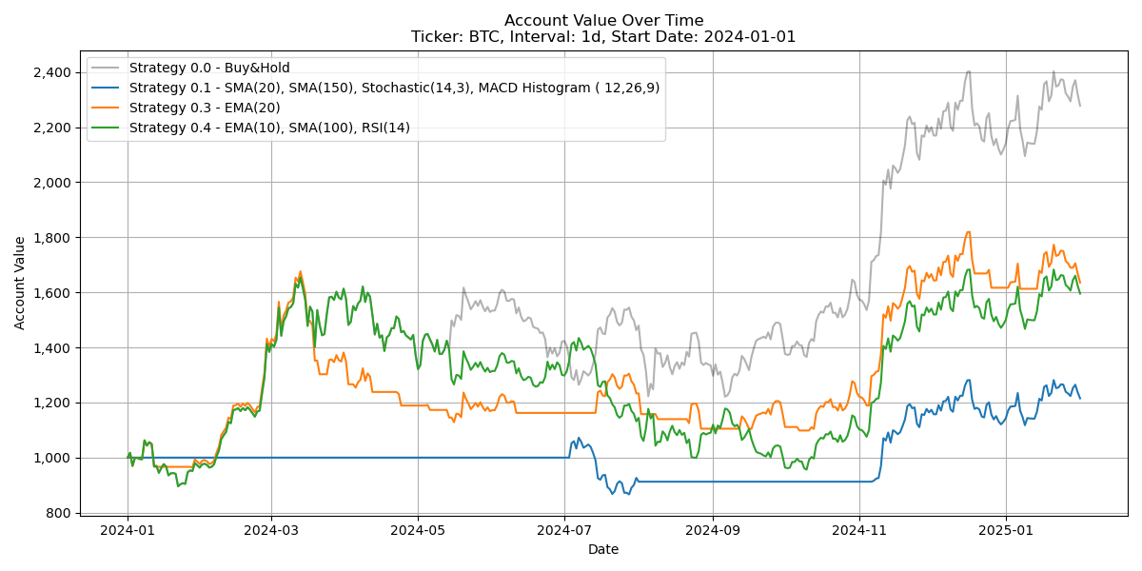
Analysis for ticker: BTC Period: 2024-01-01 00:00:00 - 2025-02-01 00:00:00 Length: 397(d)
 | Interval | 1w | 3d | 2d | 1d | Average
Strategy 0.0 - Buy&Hold | No. Trades
 | Profit Factor
 | P&L after fees | 1,224 | 1,280 | 1,239 | 1,278 | 1,255
 | Max Drawdown | -23.02 | -23.39 | -24.48 | -26.15 | -24.26
Strategy 0.1 - SMA(20), SMA(150), Stochastic(14,3), MACD Histogram ( 12,26,9) | No. Trades
 | Profit Factor | 0.00 | 0.00 | 0.00 | 3.54 | 0.89
 | P&L after fees | 0 | 0 | 0 | 215 | 54
 | Max Drawdown | 0 | 0 | 0 | -19.19 | -4.8
Strategy 0.2 - MACD(12, 26, 9) | No. Trades
 | Profit Factor | 4.87 | 1.76 | 0.67 | 1.06 | 2.09
 | P&L after fees | 301 | 359 | -345 | 6 | 80
 | Max Drawdown | -20.71 | -44.72 | -51.05 | -41.26 | -39.44
Strategy 0.3 - EMA(20) | No. Trades
 | Profit Factor | 2.60 | 2.24 | 2.81 | 2.16 | 2.45
 | P&L after fees | 478 | 510 | 644 | 636 | 567
 | Max Drawdown | -41.41 | -38.64 | -28.39 | -34.49 | -35.73
Strategy 0.4 - EMA(10), SMA(100), RSI(14) | No. Trades
 | Profit Factor |  |  | 2.48 | 2.64
 | P&L after fees | 1,224 | 1,280 | 406 | 596 | 877
 | Max Drawdown | -23.02 | -23.39 | -41.03 | -42.17 | -32.4
Strategy 0.5 - Williams %R | No. Trades
 | Profit Factor | 0.27 | 1.04 | 0.74 | 0.65 | 0.67
 | P&L after fees | -476 | 21 | -275 | -356 | -272
 | Max Drawdown | -64.18 | -63.83 | -69.33 | -69.26 | -66.65
Strategy 0.6 - Formacja świecowa ( *), Williams %R | No. Trades
 | Profit Factor | 0.00 |  |  | 17.54
 | P&L after fees | 0 | 32 | 39 | 233 | 76
 | Max Drawdown | 0 | 0 | -3.28 | -19.53 | -5.7

